Cover sheet
OIA-12336

Report Date: | 2023-04-18
Data extract date: | 2023-04-18
Requester:
Request: | Please provide crash statistics for Hebden Crescent dated 01.01.2016 to 18.11.23 under OIA. This should include: near misses, minor accidents and fatalities.
Clarification: | I am after numbers of road related incidents and now I'm clarifying would like to open that up to environmental issues or events on the stretch of road from the intersection of Hebden Crescent and SH2 (41.17774° S, 174.94689° E) to the intersection of Hebden Crescent and Haywards Hill round about ( coordinates: 41.15717° S, 174.97437° E) I am requesting numbers of crashes including: -Near misses (if recorded) -Minor incidents -Major incidents -Fatalities -Environmental incidents such as slips or flooding events. -Pedestrian injuries or minor incidents. -Any other data relating to the above in anyway Data to be provided from 01.01.2016 - 18.11.2022 please
Source database: | CAS
Report produced by: | Paul Phipps (Data Services)
Peer reviewed by: | Wonsang Yu (Data Services)

Please note the following concerning the data contained in this spreadsheet:
This data is provided from the road traffic crash database; Crash Analysis System (CAS) version 2.3.0
Waka Kotahi NZ Transport Agency maintains the Crash Analysis System which is updated once a Traffic Crash Report (TCR) is received from NZ Police sometime after the crash.
Data is for all crashes for the period 1 January 2016 to 18 November 2022 as recorded in CAS to date - 18/04/2023.
Data is limited to crashes on Hebden Crescent from (41.17774° S, 174.94689° E) to (41.15717° S, 174.97437° E).
A crash, to be recorded in CAS must have occurred on a road. The CAS definition of a road is any street, motorway or beach, or a place to which the public have access with a motor vehicle, whether as of right or not e.g. a public car park.
Due to the police reporting time frame and subsequent data processing there is a lag from the time of a crash to full and correct crash records within CAS.
Fatal, Serious Injury and Minor injury crash report data is usually recorded in the Crash Analysis System (CAS) within one working day of Waka Kotahi receiving it from NZ Police. Data relating to non-injury crashes may take up to 7 months before it appears in CAS.
Due to the nature of non-fatal crashes it is believed that these are under-reported, with the level of under-reporting decreasing with the increasing severity of the crash.
Due to the Covid-19 pandemic, NZ had a 4-level Alert system in place from 21 March 2020 until this changed to a Traffic Light system from 3 December 2021 to 12 September 2022. The amount of traffic on the roads during level 4 lockdowns was greatly reduced, which consequently reduced the number of road crashes. Road movements under the Orange and Red levels of the Traffic Light system would also be reduced due to the restrictions in place, so data from these periods will not align with previous trends.
The cause of a crash cannot necessarily be attributed to any one factor (eg fatigue) as a crash may have multiple factors.
Crash severity is the severity of the worst injury in the crash. There may be more than one injury in a crash, so the crash and injury tables may have different numbers.
2022 data is incomplete.

For further information, please contact |  | StatisticalAnalysis@nzta.govt.nz

Maps
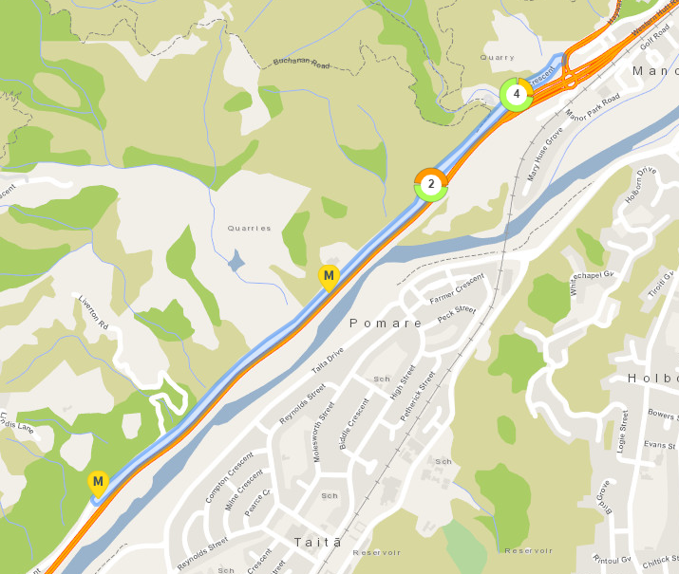
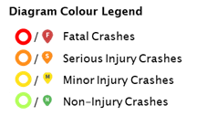
This information must be read in conjunction with the Caveats on the first page of this spreadsheet

Map of 1 Jan 2016 - 18 Nov 2022 crashes on Hebden Crescent from (41.17774° S, 174.94689° E) to (41.15717° S, 174.97437° E).

CAS will group crashes that are near each other depending on the zoom level of the map.
This should not be interpreted as where crash hotspots are.
The number in the circle is the number of crashes on that section of road.
The colours around the circle show the proportion of crashes of different severities - see legend to the right of this diagram.
Where there are individual crashes that are not grouped, they show as single pin - see legend to the right of this diagram.

