EEM Parameters
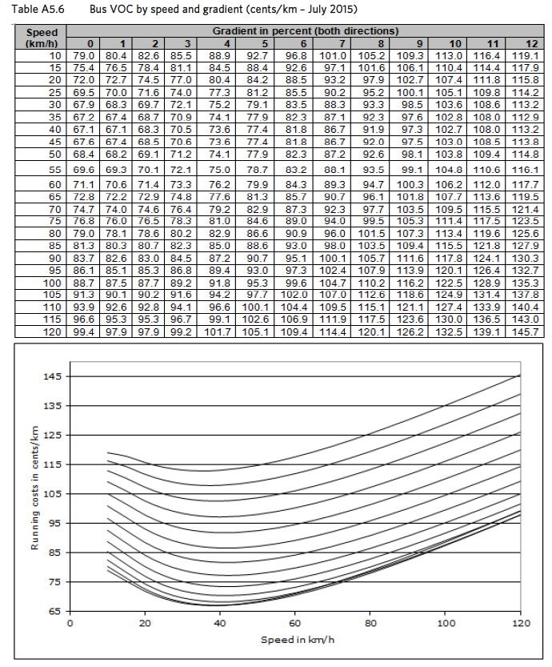
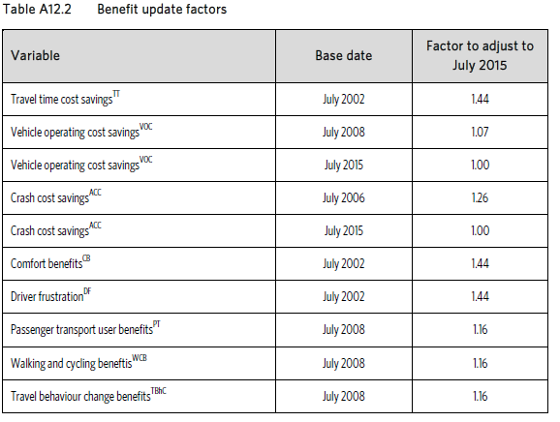
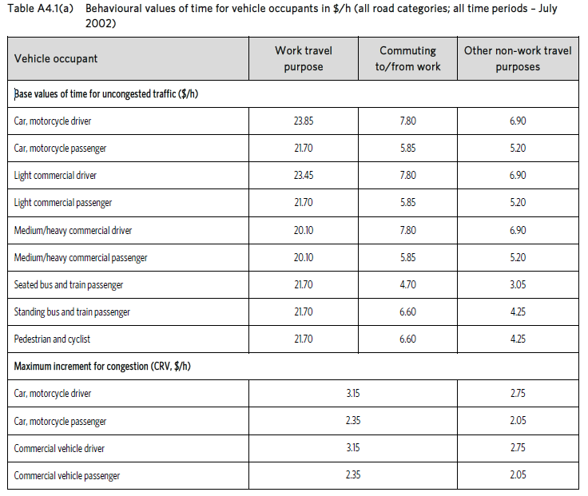
 |  | Update factors | NZ Transport Agency EEM Manual 2016 |  | A4.2 Base Values of travel time
Value of time | $$$
VOC
Emissions (5% of VOC) | 0

 |  |  | EEM SP9 | New Public Transport services

 |  |  | EEM SP10 | Existing Public Transport services
 |  |  | If service enhancements are outside of the peak period, full procedures should be applied.

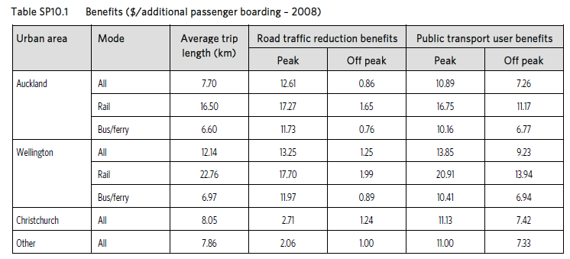

 |  |  |  |  | A5.2 Base VOC and VOC by speed and gradient
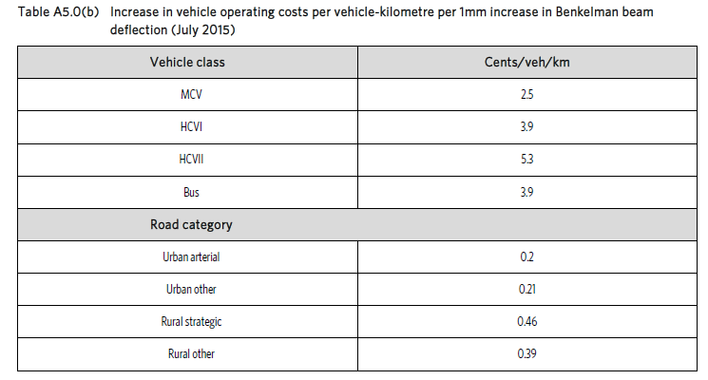

 |  |  | A9.6 Carbon Dioxide emissions

Variables
Gradient | The gradient of both the footpath and the road must be of a gradient of less than 8.5% to be considered passable for pedestrians with mobility impairments (Fleming 2016)
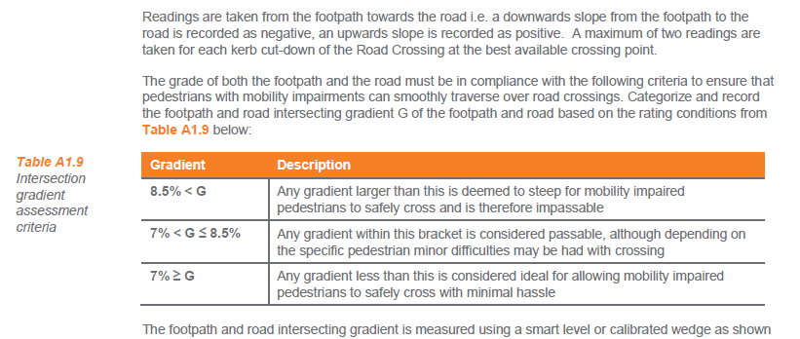
<7%
7-8%
>8%

Footpath Design | Take | The concept of pedestrian environment encapsulates the quality of footpath design, condition of the footpath surface as well the extent of hazards, lighting, perceived safety, presence of tactile pavers and attractiveness.
Below Average
Average
Above Average

Obstacle Deviation
Little of no deviation
Moderate deviation
Significant deviation

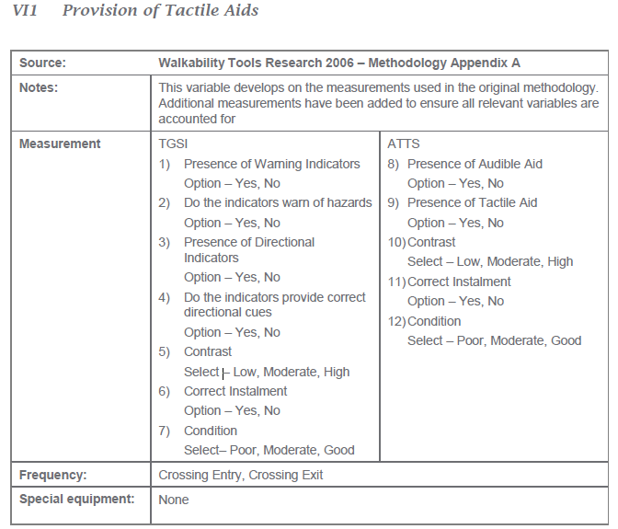
Provision of tactile aids
Poor
Moderate
Good

Workings
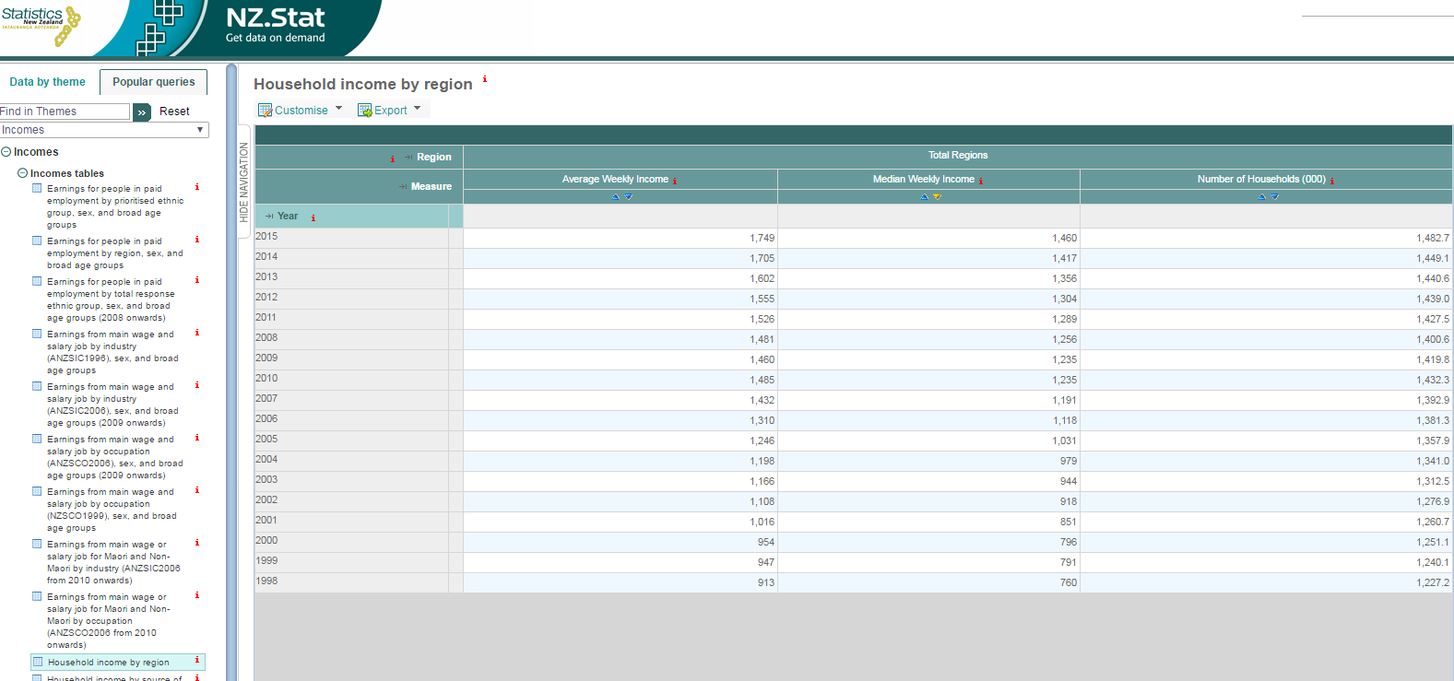
Median annual income | 75920

