Pavement Depth Defiency
 |  |  |  |  | AADT |  | 2810 | 82
 |  |  |  |  | %HCVs |  | 5
 |  |  |  |  | Design Traffic ESAs (25 years 2% growth pa and 1.67 ESAs per HCV) |  | 1,371,566 | 1.00E+06 | 5.00E+06 | 1.00E+07
30 |  |  |  |  | Minimum Digout Depth (mm) |  | 700 | 700 | 800 | 900
120 |  |  |  |  | Depth Deficiancy (mm) |  | 447 | 422 | 551 | 606 | 447 | 422 | 551 | 606 | 700 | 700 | 800 | 900
350 |  |  |  |  | Existing Pavement Depth Deficicany (0, 100, 200mm) |  | 200 | 200 | 200 | 200
500 |  |  |  |  |  |  | Design Traffic | Low Traffic 1 MESA | Med Traffic 5MESA | High Traffic 10MESA | Design Traffic | Low Traffic 1 MESA | Med Traffic 5MESA | High Traffic 10MESA | Design Traffic | Low Traffic 1 MESA | Med Traffic 5MESA | High Traffic 10MESA
 | Pavement Characteristic | Value Required - Either | Guideline to assist in appropriate value (note users can change criteria based on their experience while the numbers here reflect observations from the maintenance patch trials). | Scala blows per 100mm | Start Depth from Surface for this scala measurement | CBR | Pavement Depth Needed (mm) | Pavement Depth Needed (mm) | Pavement Depth Needed (mm) | Pavement Depth Needed (mm) | Depth Deficiency (mm) | Depth Deficiency (mm) | Depth Deficiency (mm) | Depth Deficiency (mm) | Digout Depth (mm) | Digout Depth (mm) | Digout Depth (mm) | Digout Depth (mm)
 | Pavement Depth Deficiency | 0mm; 100mm; or 200mm | For the design traffic and subgrade strength estimate how much extra pavement thickness is required based on the Austroads design chart below and round to either 0, 100 or 200mm depending on the closest value: Otherwise an estimate on whether or not the existing pavement depth is adequate (0mm), inadequate (100mm) or grossly inadequate (200mm). | 0.9 | 270 | 7.0 | 333 | 322 | 379 | 404 | 63 | 52 | 109 | 134 | 370 | 0 | 370 | 370
 |  |  |  | 0.9 | 300 | 1.5 | 747 | 722 | 851 | 906 | 447 | 422 | 551 | 606 | 400 | 400 | 400 | 400
 |  |  |  | 0.9 | 400 | 1.5 | 747 | 722 | 851 | 906 | 347 | 322 | 451 | 506 | 500 | 500 | 500 | 500
 |  |  |  | 0.9 | 500 | 1.5 | 747 | 722 | 851 | 906 | 247 | 222 | 351 | 406 | 600 | 600 | 600 | 600
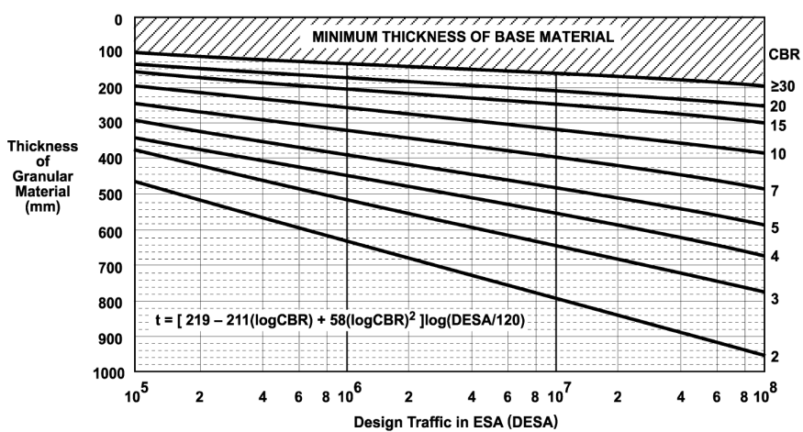
 |  |  |  | 0.9 | 600 | 1.5 | 747 | 722 | 851 | 906 | 147 | 122 | 251 | 306 | 700 | 700 | 700 | 700
 |  |  |  | 0.9 | 700 | 1.5 | 747 | 722 | 851 | 906 | 47 | 22 | 151 | 206 | 0 | 0 | 800 | 800
 |  |  |  | 0.9 | 800 | 1.5 | 747 | 722 | 851 | 906 | -53 | -78 | 51 | 106 | 0 | 0 | 0 | 900
 |  |  |  | 0.9 | 900 | 1.5 | 747 | 722 | 851 | 906 | -153 | -178 | -49 | 6 | 0 | 0 | 0 | 0
 |  |  |  | 0.9 | 1000 | 1.5 | 747 | 722 | 851 | 906 | -253 | -278 | -149 | -94 | 0 | 0 | 0 | 0
 |  |  |  | 0.9 | 1100 | 1.5 | 747 | 722 | 851 | 906 | -353 | -378 | -249 | -194 | 0 | 0 | 0 | 0

 |  |  |  |  |  |  |  |  |  |  | 1.00E+06 | 5.00E+06 | 1.00E+07
 |  |  |  |  |  |  | Low Traffic 1 MESA | Med Traffic 5MESA | High Traffic 10MESA |  | Low Traffic 1 MESA | Med Traffic 5MESA | High Traffic 10MESA
 |  |  |  |  | Scala blows per 100mm | CBR | Pavement Depth (mm) | Pavement Depth (mm) | Pavement Depth (mm) |  | Pavement Depth (m) | Pavement Depth (m) | Pavement Depth (m)
 |  |  |  |  | 0.5 | 1 | 1000 | 1100 | 1200 |  | 0.96 | 1.13 | 1.20
 |  |  |  |  | 1 | 2 | 700 | 800 | 900 |  | 0.68 | 0.81 | 0.86
 |  |  |  |  | 1.5 | 3 | 500 | 600 | 700 |  | 0.55 | 0.65 | 0.69
 |  |  |  |  | 2 | 4 | 500 | 500 | 600 |  | 0.46 | 0.55 | 0.58
 |  |  |  |  | 2.5 | 5 | 400 | 500 | 500 |  | 0.40 | 0.48 | 0.51
 |  |  |  |  | 3 | 6 | 400 | 400 | 500 |  | 0.36 | 0.42 | 0.45
 |  |  |  |  | 3.5 | 7 | 300 | 400 | 400 |  | 0.32 | 0.38 | 0.41
 |  |  |  |  | 4 | 8 | 300 | 300 | 400 |  | 0.30 | 0.35 | 0.37
 |  |  |  |  | 4.5 | 9 | 300 | 300 | 300 |  | 0.27 | 0.32 | 0.34
 |  |  |  |  | 5 | 10 | 300 | 300 | 300 |  | 0.25 | 0.30 | 0.32
 |  |  |  |  | 6 | 13 | 200 | 300 | 300 |  | 0.22 | 0.26 | 0.28

